PART CD
Danby Model:DAR055D1BSSPRO
Factory Model:BC50AO
Effective Date:1/Aug/14
Build Code | 00 | Build Code 10, July 2018, S/N 5418053000001
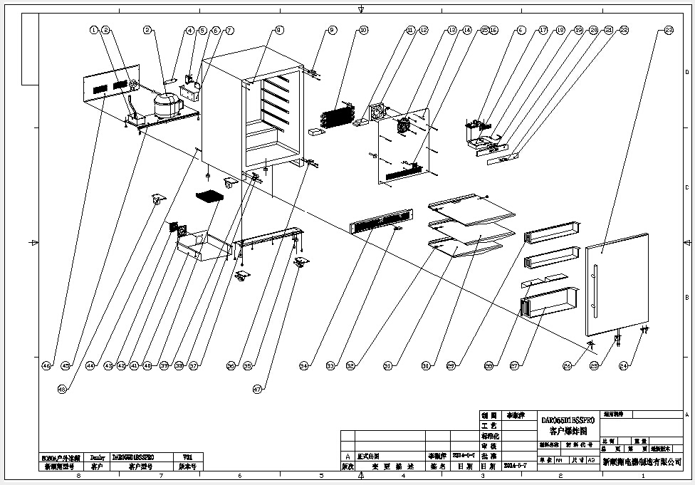
NO | PART NUMBER |  | PART DESCRIPTION (ENG) | QTY | Notes
1 | DG13-1 |  | Water tank | 1
2 | DG2-30 |  | Power cord | 1
3 | DG1-100 | DG1-104 | Compressor | 1
 | DG12-180 | PJ2-007 | starting capacitor | 1
 | PJ1-008-A | PJ1-021-A | Start Device | 1
 | PJ1-010-B | PJ1-043-B | Overload Protector | 1
4 | DG11-4 | DG11-45 | Drier filter | 1
5 | DG6-8 |  | Transformer | 1
6 | DG3-200-2 | DG3-310-6 | PCB board | 1
 |  | DG3-001 | DAR055 Display Control Board | 1
7 | DG22-3044 | DG22-3334 | junction box | 1
8 | DG13-268-S |  | Decorative nail | 3
9 | DG14-15.2-SR | DG14-243-SR | Top hinge module，right | 1
10 | DG12-59-1 |  | Evaporator | 1
11 | DG18-94 |  | Air Duct Foam | 2
12 | DG7-47 | DG7-48 | Evaporator fan | 1
13 | DG19-1-W | DG19-1 | Fan cover | 1
14 | DG22-84-W | DG13-3228 | Air duct board | 1
15 | DG8-8 |  | Senser | 1
16 | DG13-198-W | DG13-198 | Cover of senser | 1
17 | DG22-395-W | DG22-395 | Electrical box | 1
 | DG13-353-W | DG13-353 | Sealing strip | 1
18 | DG3-12-W |  | LED light | 1
19 | DG13-327 |  | Display fixing support | 1
20 | DG22-3014 | DG22-3014-B | Panel of electrical box | 1
21 | DG13-130-S |  | Button | 4
22 | DG20-370 |  | Display panel | 1
23 | DG23-153-3 | DG23-358 | Door | 1
 | DG22-3237 | DG22-3512 | Handle | 1 | (does not include screws)
 | GB6-030 | GB1-010 | Screws for handle | 2
 | M160-046 |  | Gasket | 1
24 | DG14-149-SR |  | Door axis(Right) | 1
25 | DG14-3.1-S |  | Extrusion-board of lamp switch | 1
26 | DG22-3067 |  | Magnet bracket | 1
 | DG13-3003 |  | Magnet | 1
27 | DG15-172 | DG15-172-B | Milk bottle box | 1
28 | DG15-173 | DG15-173-B | Baffle plate | 2
29 | DG13-419 | DG13-419-B | Storage box | 2
30 | DG15-182 | DG28-22 | Full glass shelves | 2
 | DG15-170 |  | Front bar | 2
 | DG13-21-W |  | Back bar | 2
31 | DG15-183 | DG28-23 | Half glass shelf | 1
 | DG15-170 |  | Front bar | 2
 | DG13-21-W |  | Back bar | 2
32 | DG13-7-W | DG13-7 | Plastic stopper(square) | 6
33 | DG9-9 |  | Door switch | 1
 |  | DG22-3307 | Door Lihgt Switch Box | 1
34 | DG22-3234 | DG22-3306-S | Decorative frame | 1
35 | DG13-6.3 |  | Cabinet leg type BC50N | 4
36 | DG14-185 | DG14-253-SR | Lower hinge module,right | 1
37 | DG22-455 |  | Support bracket of front legs | 1
38 | DG14-186 | DG14-253-SL | “L” shape steel | 1
39 | DG13-366-B |  | plastic stopper(arc) | 1
40 | DG12-91 |  | Condenser | 1
41 | DG19-9 |  | Condenser cover | 1
42 | DG7-47 |  | Condenser fan | 1
43 | DG19-3 |  | Fan cover | 1
44 | DG12-111 |  | Air-circulating pipe | 1
45 | DG22-454 |  | Compressor bracket | 1
46 | DG22-457 |  | Rear cowl | 1
47 | DG13-496-1 |  | Truckle(with brake) | 2
48 | DG13-496 |  | Truckle(without brake) | 2
 | DG14-15.2-SL | DG14-243-SL | Top hinge module，left | 1

