PART CD
Danby Model: DAR170A2WDD
Factory Model: BC-500W
Effective Date: Dec 2nd, 2016
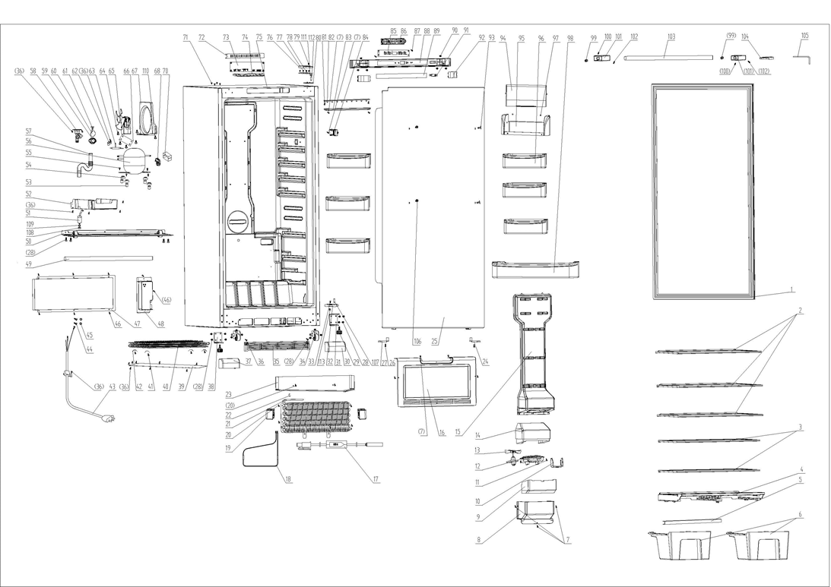
Revision:
NO | PART NUMBER | PART DESCRIPTION (ENG) | QTY | PARTS SPECIFICATION | Notes
1 | 1.05.35.03.534 | Door Gasket(Gray) | 1 | White
2 | 1.05.31.11.059 | Glass Shelf (White) | 3 | White
3 | 1.05.31.11.058 | Half Glass Shelf (White) | 2 | White
4 | 1.02.03.11.038 | Crisper Frame(White) | 1 | HIPS White
5 | 3.5.2.02.0788 | Crisper Strengthen Bar | 1 | t=1.2/iron, white coating
6 | 1.02.03.11.037 | Crisper | 2 | GPPS
7 | 1.05.02.02.007 | Screw, 845 SS, 3.9x16 | 10 | GB/T845 stainless steel ST screw 3.9×16 | Special Order
8 | 1.02.04.02.010 | Air Outlet Plate Ⅱ(White) | 1 | ABS White | Special Order
9 | 1.06.15.11.047 | Air Outlet Foam Guard Ⅱ | 1 | EPS | Special Order
10 | 1.02.12.07.033 | Evaporative Fan Motor Bracket(White) | 1 | HIPS White | Special Order
11 | 1.05.02.02.010 | Screw, 845 SS, 4.2x13 | 2 | GB/T845 stainless steel ST screw 4.2×13 | Special Order
12 | 1.02.12.07.032 | Evaporative Fan Motor Fixing Bracket | 1 | HIPS White | Special Order
13 | 1.01.06.01.037R | Evaporative Fan Motor | 1 | JYF-11-3
14 | 1.06.15.11.046 | Air Outlet Foam GuardⅠ | 1 | EPS | Special Order
15 | 1.02.04.02.009 | Air Outlet Plate Ⅰ(White) | 1 | ABS White | Special Order
16 | 3.2.02.28.002 | Wind Deflector Assy(White) | 1 | B-0.5/08F White | Special Order
17 | 1.01.07.04.036 | Temperature Protector | 1 | G4A 72C
18 | 1.01.03.09.030 | Heating Tube | 1 | 115V 320W
19 | 1.06.15.11.049 | Evaporator Foam | 2 | EPS | Special Order
20 | 1.05.02.02.015 | Screw, 845 SS, 4.2x16 | 6 | GB/T845 stainless steel ST screw 4.2×16 | Special Order
21 | 1.05.20.01.084 | Evaporator | 1 | BC500W | Special Order
22 | 1.05.06.03.022 | Probe Stator | 1 | no longer in use, factory now using a nylon cable tie | not available
23 | 3.5.2.02.0801 | Glide Plate | 1 | B-0.4/aluminium plate | Special Order
24 | 1.02.20.07.094RL | Door Left Limit Block | 1 | POM White
25 | 3.2.05.1.464 | Refrigerator Door Assy (White) | 1 | White
26 | 1.05.01.01.007R | Screw, 818 machine tapping, 5x16 | 2 | GB/T818 screw M5×16 | Special Order
27 | 1.02.20.07.094RR | Door Right Limit Block | 1 | POM White
28 | 1.05.03.03.002 | Screw, machine tapping with pad, 6x14 | 18 | GB/T9074.13 Bolt assembly M6×14 | Special Order
29 | 1.02.12.06.005 | Foot | 2 | Polyamide,1010 black
30 | 1.25.02.01.03.704R | Front Right End Cover (White) | 1 | ABS White
31 | 3.2.02.12.072 | Right Bottom Hinge | 1 | t=5.0/Q235A White
32 | 1.05.06.03.029 | door stop | 1 | Zinc base alloy, chromed surface | Special Order
 | 1.05.03.05.014 | Bottom Hinge Washer | 1
33 | 1.05.02.06.001 | Screw, 819 SS, 5x16 | 1 | GB/T819 SS screw M5 ×16 | Special Order
34 | 1.05.06.03.027 | Pulley Bracket Assy | 2 | t=2.5/Q235A
35 | 1.25.02.07.03.307 | Front Compressor Cabin Cover(white) (Kickplate) | 1 | ABS White
36 | 1.05.03.02.001 | Screw, self-tapping, 4X12 | 18 | JIS 4×12 | Special Order
37 | 1.25.02.01.03.704L | Front Left End Cover (White) | 1 | ABS White
38 | 3.2.02.12.071 | Left Bottom Hinge | 1 | t=5.0/Q235A White
39 | 3.2.02.28.001 | Condenser Cover | 1 | t=0.4/08F | Special Order
40 | 1.05.21.02.040 | Condenser | 1 | BC500W | Special Order
41 | 1.05.01.02.011R | Screw, 845 self-tapping, 4X20 | 4 | GB/T845 ST screw 4×20 | Special Order
42 | 1.05.06.03.023 | Condenser Stator | 4 | t=0.5/galvanized plate
43 | 1.01.01.01.318R | Power Supply Cord | 1 | E215500 302-1 SJT 18AWG×3C | Special Order
44 | 1.05.03.01.001 | Earthing Screw, copper machine tapping, 4X8 | 2 | GB/T818 screw M4×8 | Special Order
45 | 1.05.04.01.002 | Lock Washer | 2 | GB/T 862.1 | Special Order
46 | 1.05.03.04.012 | Screw, triangle lock, 4X12 | 8 | Triangle lock screw 4×12 | Special Order
47 | 3.2.02.07.213 | Compressor Back Cover(White) | 1 | t=0.5/08F White
48 | 1.02.11.02.068 | Power Supply Cord Cover Box(White) | 1 | ABS White | Special Order
49 | 1.01.11.02.008 | Heat Preservation Tube | 1 | EPE,￠13×9×260, Black | Special Order
50 | 3.2.02.07.214 | Compressor Support (White) | 1 | t=1.2/Q235A White | Special Order
51 | 1.03.01.01.353C | Capacitor | 1 | MKP (UL) 12μF±5%
52 | 1.02.03.04.045 | Drip Tray (White) | 1 | PP White
53 | 1.03.01.01.353A | Compressor Sleeve | 4 | CTE943-2 | Special Order
54 | 1.03.01.01.353B | Compressor Rubber Washer | 4 | Rubber, black | Special Order
55 | 1.03.01.01.353D | Compressor Screw, M6X27 | 4 | M6×27 | Special Order
56 | 1.03.01.01.353 | Compressor | 1 | NH1114HZ | Special Order
57 | 1.02.10.01.016 | Drain Tube | 1 | PE transparent | Special Order
58 | 1.02.20.07.091R | Drain Connecting Hose | 1 | HIPS White | Special Order
59 | 1.02.05.01.002 | Air Exhaust Cover | 1 | ABS White | Special Order
60 | 1.04.12.03.068 | Air Exhaust Cover Plate | 1 | Rubber, t=1.0 black | Special Order
61 | 1.02.05.01.123 | Air Exhaust Cover Fixing Leg | 1 | Nylon, white | Special Order
62 | 3.5.2.06.014 | Filter Bracket | 1 | B-0.5/08F, surface galvanization | Special Order
63 | 1.03.30.03.014 | Filter | 1 | BCD312W
64 | 1.05.03.03.008 | Screw | 4 | GB/T9074.13 Bolt assemblyM5×12 | Special Order
65 | 1.01.06.01.052R | Condenser Fan Motor | 1 | EC-2P
66 | 3.5.2.02.0812 | Condenser Fan Washer | 1 | HIPS White | Special Order
67 | 1.02.04.02.003 | Fan Motor Dam-board (White) | 1 | ABS White | Special Order
68 | 1.03.01.01.353J | OLP+PTC Starter | 1 | TY-QZ-109-02 JX007, B110-120
69
70 | 1.03.01.01.353G | PTC Cover | 1 | ABS black | Special Order
71 | 1.25.02.12.03.009 | Hinge Plug | 4 | ABS white
72 | 1.02.09.01.016 | Electric Separator | 1 | anti-flaming ABS,Flame rating UL94 5VA
73 | 1.01.02.02.001R | PC Board | 1 | MIBC-500XX
74 | 1.02.11.02.065 | PC Board Fixing Box | 1 | anti-flaming ABS，Flame rating UL94 5VA | Special Order
75 | 3.2.04.2.1.508 | Cabinet (White) | 1 | White | Special Order
76 | 1.25.02.12.04.025 | Right Upper Hinge Cover(White) | 1 | ABS White (this part number represents a set of both right and left hinge covers)
77 | 1.05.03.07.002 | Hexagon Bolt, 6X30, chromed | 4 | GB 29.2 Bolt assemblyM6×30 | Special Order
78 | 1.05.06.03.024 | Upper Hinge Assy(White) | 1 | t=4.0/Q235A
79 | 1.05.02.06.004 | Screw, 819 SS, 4X8 | 1 | GB/T819 stainless steel M4×8 | Special Order
80 | 1.02.09.01.014 | Upper Hinge Washer | 1 | HIPS White | Special Order
81 | 1.05.02.02.004 | Screw, 845 SS, 3.5X13 | 2 | GB/T845 ST screw 3.5×13 stainless steel | Special Order
82 | 1.01.03.03.102R | LED Light Panel | 1 | 36 beads, 6000-6500K, 200lm, BC500W.4.4.12V
83 | 1.02.11.03.101 | LED Light Cover (semi-ransparent) | 1 | PP, semi-transparent White
84 | 1.02.20.07.093R | Temperature Control Probe cover (White) | 1 | HIPS White
85 | 1.01.02.03.001R | Display Board | 1 | MIXBC/BD-500LED
86 | 1.02.11.02.064 | Display Board Fixing Box | 1 | HIPS White | Special Order
87 | 1.05.03.03.003 | Sleeve Gasket, 2.9X9.5 | 2 | GB/T845ST screw2.9×9.5 | Special Order
88 | 1.25.02.04.04.001 | Display Cover | 1 | ABS White
89 | 1.01.03.10.003RW | Display Board Film | 1 | PET t=0.5 30mm*380mm, White
90 | 1.05.01.01.002R | Screw, 818 machine tapping, 4X12 | 6 | GB/T 818 M4×12 | Special Order
91 | 1.01.03.02.037R | Fan Motor / Light Switch (White) | 1 | HC-056K
92 | 1.02.01.12.066 | Left/Right Cover (White) | 2 | ABS White
93 | 1.25.02.12.03.002 | Hinge Plug | 2 | ABS White
94 | 1.02.03.11.033 | Sealing Shelf Flip (Transparent) | 1 | GPPS semi-transparent
95 | 1.02.03.11.032 | Sealing Shelf (White) | 1 | HIPS White
96 | 1.02.03.11.035 | Half Plastic Shelf (White) | 6 | HIPS White
97 | 1.04.12.03.065 | Rubber Washer | 2 | Rubber White | Special Order
98 | 1.02.03.11.034 | Plastic Shelf(White) | 1 | HIPS White
99 | 1.05.06.01.089 | Door Handle Fixing Column | 2 | Iron, surface galvanization
100 | 1.05.06.01.090 | Door Handle Plug Fixing Screw | 3 | GB/T78 Stainless steel M5X6
101 | 1.05.06.01.091 | Door Handle Plug (White ) | 2 | Zinc base alloy, white coating
102 | 1.05.06.01.092 | Door Handle Fixing Screw | 3 | GB/T78 Stainless steel M5X8
103 | 1.05.06.01.093 | Door Handle(White ) | 1 | SS, White painting
104 | 1.25.02.12.04.025 | Left Upper Hinge Cover (White) | 1 | ABS White (this part number represents a set of both right and left hinge covers)
105 | 1.05.06.01.094 | Inner Hexagon Spanner | 1 | GB/T5356 45# Nickel plated steel | Special Order
106 | 1.05.03.03.022 | Screw | 2 | GB/T9074.13 M5X20
107 | 1.05.06.08.028 | Bottom Door Spindle | 1 | Stainless steel
108 | 1.03.01.01.353N | Nut | 1 | Nut M8 | Special Order
109 | 1.05.03.05.006 | Flat Washer | 1 | t=3.0/Q235A galvanize surface | Special Order
110 | 1.05.01.01.005R | 818 Screw | 2 | GB/T818 screw M5×8 | Special Order
111 | 1.05.03.06.004 | Spring Washer | 1 | Stainless steel M6 | Special Order
112 | 1.05.06.08.026 | Upper Door Spindle | 1 | Stainless steel
113 | 1.05.03.04.011 | Hexagon Nut | 1 | M5 | Special Order
114 | 1.01.01.08.011R | Temperature Sensor | 1 | LSC-123A/BF-163C

