PART CD
Danby Model: DBBOX10C
Factory Model: 2.3.02.0001.1.115
Effective Date: May 22nd, 2017
Revision:
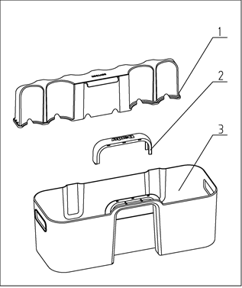
NO | PART NUMBER | PART DESCRIPTION (ENG) | QTY | PARTS SPECIFICATION | Notes
1 | 1.02.04.02.072 | Bevy Box Bracket | 1 | ABS, transparency(smokey)
2 | 1.25.02.05.01.192 | Bevy Box Handle | 1 | ABS, black
3 | 1.02.04.02.071 | Bevy Box | 1 | ABS, transparency(smokey)

