PART CD
Danby Model: DCR047A1BBSL
Factory Model: BC-138
Effective Date: Mar 29th, 2017
Revision:
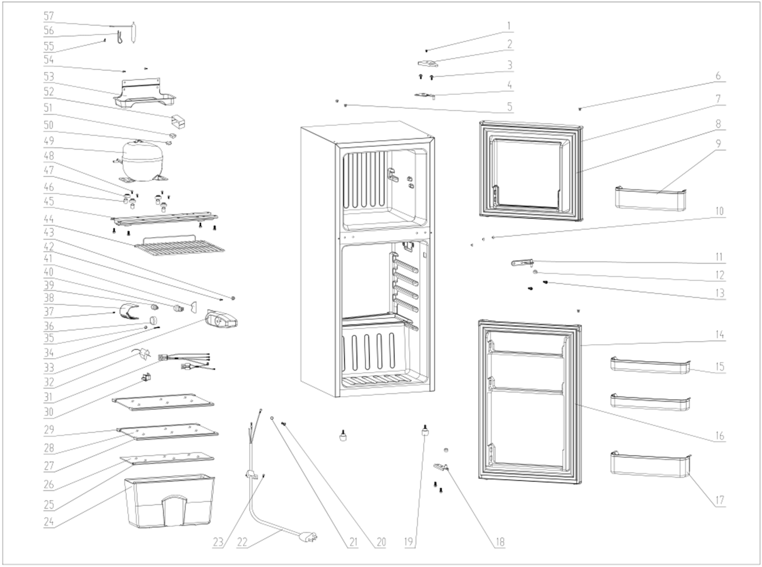
NO | PART NUMBER | PART DESCRIPTION (ENG) | QTY | PARTS SPECIFICATION | Notes
1 | 1.05.02.01.001 | Upper Hinge Cover Screw | 1 | GB/T818 screw,M4×6 | Special Order
2 | 1.25.02.12.04.008 | Upper Hinge Cover | 1 | ABS, black
3 | 1.05.03.03.019 | Upper Hinge Cover Bolt Assy | 2 | M5×16(big washer φ16) | Special Order
4 | 3.5.2.02.0528 | Upper Hinge | 1 | t2.5/Q235-A, black
5 | 1.25.02.12.03.001 | Hinge Plug(cabinet) | 3 | ABS, black
6 | 1.25.02.12.05.001 | Freezer Door Assy Plug | 2 | ABS, black
7 | 3.2.05.2.03.381 | Freezer Door Assy | 1 | JC580H
8 | 1.05.35.03.161 | Freezer Door Gasket(Black) | 1 | PVC,black
9 | 1.02.03.11.041 | Freezer Door Shelf | 1 | GPPS,transparent
10 | 1.25.02.12.03.011 | Middle Hinge Plug | 2 | ABS, black
11 | 1.05.06.04.012 | Middle Hinge Assy | 1 | t3.0/Q235-A, galvanizing
12 | 1.02.09.02.027 | Middle Hinge Washer | 2 | ABS, black | Special Order
13 | 1.05.03.03.002 | Hinge Cover Bolt Assy | 8 | M6×14(big washer φ12) | Special Order
14 | 3.2.05.2.02.437 | Refrigerator Door Assy | 1 | JC580H
15 | 1.02.03.11.040 | Refrigerator Door Shelf(small) | 2 | GPPS,transparency
16 | 1.05.35.03.157 | Refrigerator Door Gasket | 1 | PVC,black
17 | 1.02.03.11.039 | Refrigerator Door Shelf(big) | 1 | GPPS,transparency
18 | 3.2.02.12.082 | Bottom Hinge Assy(Black) | 1 | t2.5/Q235-A, black
19 | 1.02.12.06.007 | Foot(Black) | 2 | M6×15,black
20 | 1.05.03.01.001 | Earthing Screw | 2 | GB/T818 brass screw, M4×8 | Special Order
21 | 1.05.04.01.002 | Lock Washer | 2 | GB/T862.1 , φ4 | Special Order
22 | 1.01.01.01.271R | Power Supply Cord Assy | 1 | E465601 XYP-204 SJT 18AWG×3C | Special Order
23 | 1.05.03.02.006 | Power Supply Cord Fixing Screw | 1 | JIS tapping Screw, 4×12 | Special Order
24 | 1.02.03.11.003 | Crisper | 1 | GPPS,transparent
25 | 1.02.02.11.022 | Crisper Glass Cover Shelf Trim | 1 | PVC,white
26 | 1.05.31.12.004 | Crisper Glass Cover | 1 | tempered glass,t4
27 | 1.25.02.01.30.003 | Glass Shelf Front Shelf Trim | 2 | ABS, white
28 | 1.05.31.11.021 | Glass Shelf | 2 | tempered glass,t4
29 | 1.25.02.01.31.003 | Glass Shelf Back Shelf Trim | 2 | ABS, white
30 | 1.01.03.02.013R | Light Switch | 1 | HC-050K.4
31 | 1.01.01.04.804R | Thermostat Connection Wire | 1 | Athermal compensation | Special Order
32 | 1.03.02.01.113 | Thermostat | 1 | WDF25K-L-EX
33 | 1.02.15.03.029 | Temperature Cover | 1 | ABS,grey
34 | 1.05.02.02.011 | Lamp Holder Screw | 1 | JIS tapping Screw,3.5×32 | Special Order
35 | 1.02.12.05.011 | Thermostat Plug | 1 | ABS,grey | Special Order
36 | 1.02.15.06.061 | Thermostat Knob (Silkscreen) | 1 | ABS,grey
37 | 1.05.02.03.002 | Light Cover Screw | 1 | SS,JIS tapping Screw,2.9x9.5 | Special Order
38 | 1.02.11.03.008 | Light Cover | 1 | ABS,transparent
39 | 1.01.03.04.512 | Incandescent Bulb | 1 | E12, 120V,10W
40 | 1.01.03.06.015 | Lamp Holder | 1 | E12-1.2-00, AC125V,75W
41 | 3.5.2.02.0815 | Lamp Dam-board | 1 | ABS,t1 | Special Order
42 | 1.05.02.02.010 | Thermo Regulating Button Screw | 1 | JIS tapping Screw,4.2×13 | Special Order
43 | 1.02.12.05.017 | Thermostat Regulating Button | 1 | ABS,grey | Special Order
44 | 1.05.08.04.214 | Freezer Wire Shelf | 1 | White
45 | 3.2.02.07.208 | Compressor Support | 1 | t1.2/Q235-A, black | Special Order
46 | 1.03.01.01.382A | Compressor Sleeve | 4 | φ8.3×16 | Special Order
47 | 1.03.01.01.382B | Compressor Rubber Washer | 4 | Rubber,black | Special Order
48 | 1.03.01.01.382D | Compressor Screw | 4 | GB/T9074.13 Bolt Assy, M6×27 | Special Order
49 | 1.03.01.01.382 | Compressor | 1 | MK1110HY | Special Order
50 | 1.03.01.01.382PTC | PTC Starter | 1 | QP2-4.7L/QPS2-A4R7MG1
51 | 1.03.01.01.382F | OLP | 1 | BT107-140A61G2/DRB29T61B2
52 | 1.03.01.01.382G | Cover | 1 | ABS, black | Special Order
53 | 3.2.02.15.017 | Drip Tray | 1 | t1.2/Q235-A, black
54 | 1.05.03.02.001 | Drip Tray Screw | 2 | JIS tapping Screw,4×12 | Special Order
55 | 1.05.03.02.002 | Bracket Screw | 1 | JIS tapping Screw,4×12 | Special Order
56 | 3.5.2.06.014 | Filter Bracket | 1 | B-0.5/08F,galvanized surface | Special Order
57 | 1.03.30.03.013 | Filter | 1 | BC258W

