PART CD
Danby Model: DDR050BGWDB
Factory Model: MDCDP-50AEN1-BB0(A)
Effective Date: 12/12/2017
Revision: 0
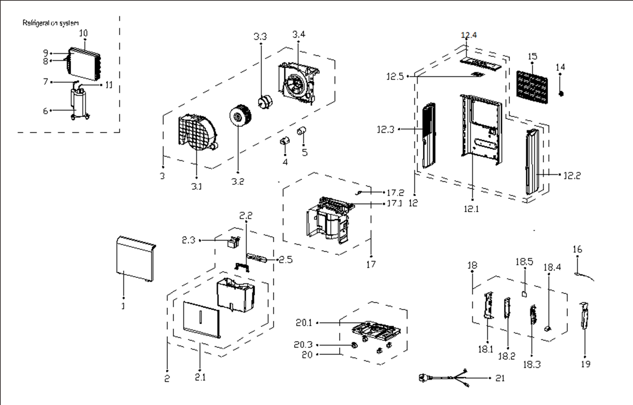
NO | PART NUMBER | PART DESCRIPTION (ENG) | QTY | PARTS SPECIFICATION | Notes
1 | 12120100A13491 | Front panel assembly | 1 | HIPS | Special Order
2 | 12120100A07702 | Water Tank Assembly | 1 | HIPS
2.1 | 12120100A00642 | Water Tank | 1 | HIPS | Special Order
2.2 | 12120100000984 | Handle of water tank | 1 | HIPS
2.3 | 12120100002228 | Dobber case | 1 | HIPS
2.5 | 12120100A13183 | power coard storage band | 1 | HIPS
3 | 12120100001219 | Volute shell assembly | 1 | Black | Special Order
3.1 | 12120100001127 | Volute Shell | 1 | Black | Special Order
3.2 | 12100103000012 | Centrifugal Fan | 1 | LX-162*85*8-51N(J)
3.3 | 11002012005040 | Fan motor | 1 | YSLB-16-4-0002-001, 115V 60Hz
3.4 | 12120100000602 | Supporter of fan motor | 1 |  | Special Order
4 | 12600901000017 | Capacitor cap | 1 |  | Special Order
5 | 17400103000052 | Capacitor of compressor | 1 | 45UF/250V
6 | 11103010010809 | Compressor | 1 | YZG-Q050AFY2D2 | Special Order
7 | 15120100001519 | Suction pipe assembly | 1 |  | Special Order
8 | 15120100001412 | Capillary assembly | 1 | φ2.2*0.9*500 | Special Order
9 | 15820100000037 | Evaporator assembly | 1 | CAN-CFZ0.9BD/N1-DP(A9).ZL[AL].1 | Special Order
10 | 15820100000161 | Condenser Assembly | 1 | CAN-CFZ0.9BD/N1-DP(A9).ZL.2 | Special Order
11 | 15120100000321 | Discharge pipe assembly | 1 |  | Special Order
12 | 12120100A13452 | Rear panel assembly | 1 | HIPS | Special Order
12.1 | 12120100A13181 | Rear panel | 1 | HIPS | Special Order
12.2 | 12120100A00822 | Right Side Plate | 1 | HIPS | Special Order
12.3 | 12120100A00817 | Left supporter | 1 | HIPS | Special Order
12.4 | 12120100A00816 | Top cover | 1 | HIPS | Special Order
12.5 | 17120100000401 | Display box assembly | 1 | US-CFZ0.8BD/N3-K7.D.05.XS1.2
14 | 12120100A00782 | Cover for drain connector | 1
15 | 12120100A00643 | Air filter | 1 | CAN-CFZ0.8BD/N1-DP1(A9)-3
16 | 11201007000245 | Pipe Temperature Sensor | 1 | CGQ-WD/GW4100-L1000-XAP2-P950
17 | 12120100003748 | Middle partition board assly. | 1 | Gray | Special Order
17.1 | 12120100003747 | Partition board | 1 | Gray | Special Order
17.2 | 17400512000013 | Micro Switch | 1 | MS-12
18 | 17220100A01985 | Electric control box assembly | 1 | CAN-CFZ0.8BD/N1-DP.JD.CS.NK.DK1.17 | Special Order
18.1 | 12220100000008 | Electronic control box | 1 | Galvanized plate 0.5 | Special Order
18.2 | 12120100001598 | Main control board holder | 1 |  | Special Order
18.3 | 17120100A01796 | Main control board assembly | 1 | US-CFZ1.4BD/N1-DP.JD.CS.NK.NK5.5
18.4 | 17400101000071 | Capacitor of fan motor | 1 | 6UF/250V-P0
18.5 | 17120100000344 | Humidity sensor assembly | 1 | CE-CFZ0.8BD-F1A..D.31.SCG.12
19 | 12220100000027 | Cover of electric control box | 1 | Galvanized plate 0.8 | Special Order
20 | 12120100003745 | Chassis Assembly | 1 | Gray | Special Order
20.1 | 12120100003744 | Chassis Subassembly | 1 | Gray | Special Order
20.3 | 12620100000015 | Universal wheel | 4 | PA66+Φ30+Black
21 | 17401202004425 | Power cord subassembly | 1 | SJT Plug, 125V, 15A, AWG No.18x3

