PART CD
Danby Model: DDY060WDB
Factory Model: GYJ75-78A3-E
Effective Date: 14/03/2017
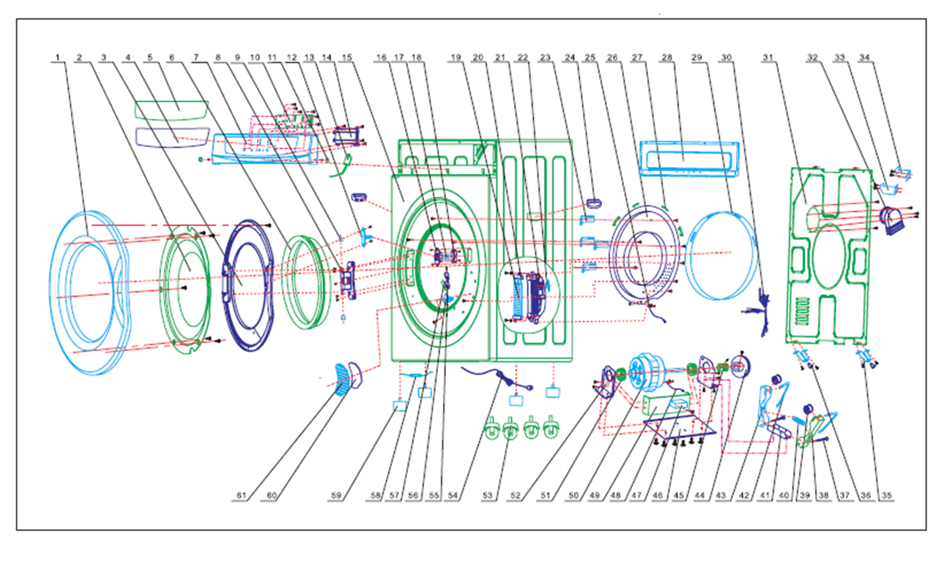
Revision:
NO | PART NUMBER | PART DESCRIPTION (ENG) | QTY | PARTS SPECIFICATION | Notes
1 | GYJSL4581001D | Door out cover | 1 | ABS
2 | GYJSL4681006A | Transparent cover | 1 | ABS
3 | GYJSL4581002 | Door inner cover | 1 | PP
4 | GYJYSDBY601A | Foil | 1 | PET | English
5 | GYJYSDBY601B | Foil | 1 | PET | French
6 | GYJXJ4680102 | Big seal | 1 | PVC
7 | GYJSL778E0301D | Control panel | 1 | ABS
8 | GYJYZ4781005 | Door hinge | 1 | AL
9 | GYJSL4781004 | Door axis | 2 | POM
10 | GYJDQ778ES0313 | Electronic control panel | 1 | NCXQ-JHGYJ-68S(DB) A
11 | GYJSL7781301D | Screw cover | 2 | ABS
12 | GYJSL82681003D | Door lock | 1 | POM
13 | GYJDQ778ES0305 | Humidity Sensor | 1 | AM2301, 5V DC
14 | GYJDQ778ES0314 | Circuit board | 1 | NCXQ-JHGYJ-68S(DB) B
15 | GYJCY7780101B | Cabinet | 1 | STEEL+coating
16 | GYJSL4781101B | Door lock base | 1 | ABS
17 | GYJWJ82681102 | Door lock spring | 1 | 65Mn
18 | GYJSL82681103 | Door lock base cover | 1 | ABS
19 | GYJDQ4680401B | PTCheating element | 1 | RHC621, 110-127V, 60Hz， 1300W
20 | GYJSL4680404 | PTC installation rack | 2 | BOM
21 | GYJSL4680405 | PTC installation box | 1 | PA66
22 | GYJDQ4680402A | PTC thermal breaker | 1 | US-622, 60℃
23 | GYJSL4681304 | Connecting pole | 4 | PP
24 | GYJSL82681309E | Handle | 2 | PP
25 | GYJDQ6680601B | Ground wire at front seal disc | 1 | 16AWG
26 | GYJCY4680602A | Front seal disc | 1 | Galvanized sheet
27 | GYJXJ4680603 | Rubber pad | 4 | Rubber
28 | GYJCY7780102B | Back cover (top) | 1 | STEEL+coating
29 | GYJHM4680604A | Front seal disc seal cotton | 1 | Non-woven
30 | GYJDQ778E0401D | Wire | 1 | 22-16AWG
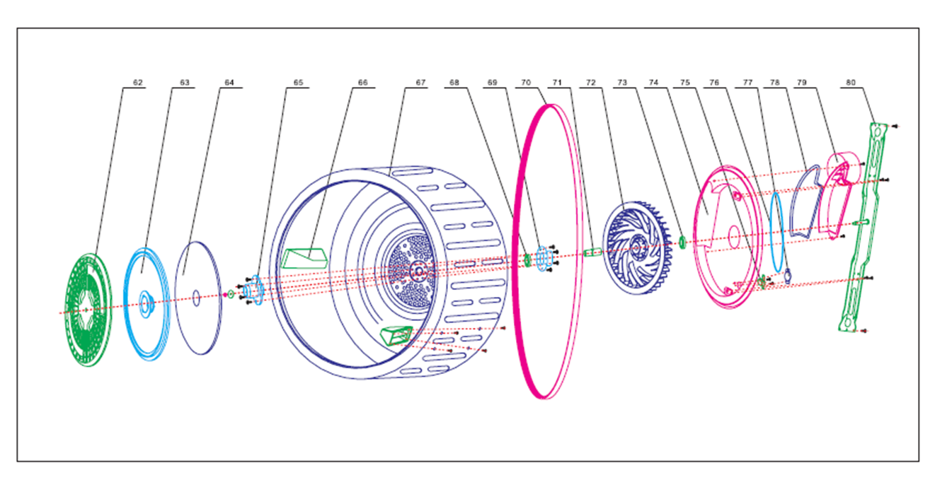
31 | GYJCY6681301A | Back cover | 1 | Galvanized sheet
32 | GYJSL4681201 | Air exhaust connector | 1 | PP
33 | GYJCY4681205 | Right hook | 1 | Galvanized sheet
34 | GYJCY4681204 | Left hook | 1 | Galvanized sheet
35 | GYJCY4681203 | back support | 2 | Galvanized sheet
36 | GYJXJ4681202 | back support gasket | 2 | PVC
37 | GYJBZ82680106 | Window pin | 2 | Steel
38 | GYJCY4680214 | dbl. Belt tension wheel sup. | 1 | Galvanized sheet
39 | GYJSL82680104 | Belt tension wheel | 2 | POM
40 | GYJWJ82680103 | dbl spring of belt tens. wheel | 1 | 65Mn
41 | GYJCY4680216 | Belt tension wheel spring | 1 | Galvanized sheet
42 | GYJWJ4680213 | Belt tension wheel bearing | 2 | 65Mn
43 | GYJCY4680215 | dbl. Belt tension wheel sup. | 1 | Galvanized sheet
44 | GYJSL4680205 | Motor puller for fan | 1 | POM
45 | GYJWJ4680212B | Motor puller | 1 | AL
46 | GYJCY4681303A | Motor fixing board | 1 | Galvanized sheet
47 | GYJDQ6680202B | Capacitor | 1 | 25μF±5%, 50/60Hz, 450VAC
48 | GYJDQ4680203B | Motor connecting line | 1 | 16AWG
49 | GYJCY6680203A | Motor support contact blocks | 1 | Galvanized sheet
50 | GYJDQ6680201B01 | Dryer motor | 1 | XDT-120, 110-127V, 60Hz, 120W
51 | GYJXJ4680206 | Motor vibration proof pad | 2 | Rubber
52 | GYJCY4680207 | Motor supporting board | 2 | Galvanized sheet
53 | GYJWJ4680103D | Caster | 4 | ABS+steel
54 | GYJDQ4681301C1 | Power cord | 1 | 16AWG×3C, 300V, 105℃, VW-1
55 | GYJDQ4680502 | Sensitive switch | 2 | 125-250V, 50-60Hz, 16(4)A,125℃
56 | GYJSL4680503 | Safety switch | 1 | ABS
57 | GYJCY4680504 | Sensitive switch tabletting | 1 | 1Cr18Ni9Ti
58 | GYJDQ4680701D | Fuse tube | 1 | 6G, 1258V, 20A
59 | GYJXJ4680103B | Supporting foot | 4 | Rubber+steel
60 | GYJHM4681306A | Air inlet filter | 1 | Non-woven
61 | GYJSL4681307B | Air inlet cover | 1 | PP
62 | GYJSL4680902B | Filter case | 1 | PP
63 | GYJSL4680903 | Filter | 1 | Nylon net+PP
64 | GYJHM4680901A | Filter of inner tub | 1 | Non-woven
65 | GYJSL4680807 | Filter base | 1 | POM
66 | GYJSL6680803 | Rotating check block | 3 | PP
67 | GYJCY6680801 | Inner tub assembly | 1 | Stainless Steel +Galvanized
68 | GYJBZ4680815 | Bearing 608 | 1 | Bearing 608
69 | GYJCY82680806 | Bearing base | 1 | Galvanized sheet
70 | GYJXJ4680814C | Poli-v belt | 1 | Rubber
71 | GYJWJ6680804 | Axis set | 1 | steel
72 | GYJSL4680806 | Ball bearing fan assembly | 1 | PP+POM
73 | GYJBZ82680807 | Bearing 6000 | 1 | Bearing 6000
74 | GYJCY4680803A | Wind case | 1 | Galvanized sheet + Non-woven
75 | GYJDQ4680801 | Air exhaust thermal breaker | 1 | US-622, 60℃
76 | GYJXJ4680812 | Fan belt | 1 | PU
77 | GYJXJ4680813 | Plastic cover, thermal breaker | 1 | Rubber
78 | GYJHM4680810 | Air exhaust sealing sponge | 1 | Sponge
79 | GYJSL4680809 | Air exhaust | 1 | PP
80 | GYJCY6680802 | Supporting beam assembly | 1 | Steel +Galvanized sheet

