PART CD
Danby Model: DFG17A1B
Factory Model: ZP-52
Effective Date: 20171031
Revision: |  | Updated Sept. 2018 | PART DESCRIPTION (ENG)
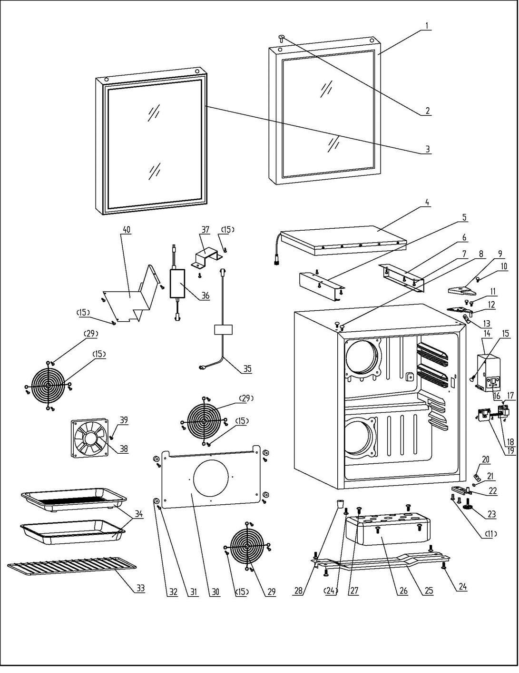
NO | PART NUMBER |  |  | QTY | PARTS SPECIFICATION | Notes
1 | 3.2.05.2.04.217 |  | Glass Door | 1 | Tempered glass (black)
2 | 1.25.02.12.05.005 |  | Hinge Plug (door) | 1 | ABS, black
3 | 1.05.35.02.076 |  | Door Gasket(black)-Push | 1 | black
4 | 1.31.06.054 |  | LED Light | 1
5 | 3.2.02.24.022 |  | Left Light Fixing Plate | 1 | Galvanized Sheet, white | Special Order
6 | 3.2.02.24.023 |  | Right Light Fixing Plate | 1 | Galvanized Sheet, white | Special Order
7 | 1.05.01.02.008R |  | Self-Tapping Screw(ST4.2×13) | 6 | GB/T845,4.2X13 | Special Order
8 | 1.25.02.12.03.001 |  | Hinge Plug(cabinet) | 2 | ABS, black
9 | 1.25.02.12.04.008 |  | Door Hinge Cover(black) | 1 | ABS, black
10 | 1.05.02.01.001 |  | 818 Stainless Steel M4×6 | 1 | GB/T818, screw, M4X6 | Special Order
11 | 1.05.03.03.019 |  | Bolt Assy (M5×16, big washer) | 4 | GB/T9074.13 bolt assy M5×16 | Special Order
12 | 3.2.02.11.022 |  | Upper Hinge Board | 1 | t2.5/Q235-A(black)
13 | 1.04.12.03.012 |  | Upper Hinge Rubber Washer | 1 | black
14 | 1.25.02.15.03.048 |  | Thermostat Cover | 1 | ABS | Special Order
15 | 1.05.03.02.001 |  | Self-tapping Screw, 4×12 | 19 | JIS tapping screw, 4×12 | Special Order
16 | 1.01.03.10.025R |  | Touch Key Board | 1 | PET
17 | 1.05.01.02.002R |  | Self-tapping Screw (ST2.9*6.5) | 4 | GB/T845,2.9X6.5 | Special Order
18 | 1.01.02.01.021R |  | Control Board | 1
19 | 1.01.02.03.041R |  | Display Board | 1
20 | 1.04.12.03.013 |  | Bottom Hinge Rubber Washer | 1 | black
21 | 1.05.03.05.005 |  | Door Spindle Washer(black) | 1 | steel
22 | 3.2.02.12.025 |  | Bottom Hinge(black) | 1 | t2.5/Q235-A(black)
23 | 1.25.02.12.06.009 |  | Adjustable Foot | 1 | ABS, black
24 | 1.05.03.03.002 |  | Bolt Assy (M6×14) | 5 | GB/T9074.13 bolt assy M6×14 | Special Order
25 | 3.2.02.07.006 | 3.5.2.02.0041 | Compressor Support(black) | 1 | t0.9/Q235-A(black) | Special Order
26 | 1.02.11.02.074 |  | Balancing Weight | 1 | PE+混泥土 | Special Order
27 | 1.05.03.07.007 |  | Bolt Assy (M6×55) | 4 | GB/T9074.13 bolt assy M6×50 | Special Order
28 | 1.25.02.12.06.001 |  | Foot | 1 | ABS, black
29 | 1.01.06.02.041R |  | Protective Cover | 3 | 45#
30 | 3.2.02.36.026 |  | Fan Motor Dam-board | 1 | Galvanized Sheet, white | Special Order
31 | 1.05.01.02.026R |  | Self-tapping Screw, 4×30 | 4 | GB/T845,4X30 | Special Order
32 | 1.25.02.12.01.004 |  | Evaporator Washer | 4 | ABS | Special Order
33 | 1.05.08.04.146 |  | Half Wire Shelf | 1 | 45# wire, white
34 | 1.02.11.02.073 |  | Cultivation Box | 1 | ABS
 | 1.02.11.03.133 |  | Cultivating Tray | 2 | HIPS
35 | 1.01.01.01.359R |  | Power Supply Cord | 1
36 | 1.01.07.01.048 |  | Power Supply Adapter | 1
37 | 3.5.2.01.1315 |  | Transformer Bracket | 1 | t=0.4/Galvanized Sheet | Special Order
38 | 1.01.06.04.007R |  | Fan Motor | 1
39 | 1.05.02.02.008 |  | SS Self-tapping Screw,3.9*45 | 4 | GB/T845,3.9×45 | Special Order
40 | 3.5.2.04.238 |  | Steel Plate | 1 | t=0.4/Cold Rolled Sheet | Special Order

