PART CD
Danby Model: DKC055D1SSPRO / DKC055D1SSPRO-1
Factory Model: BC50A-O
Effective Date: Nov .2017
Revision:
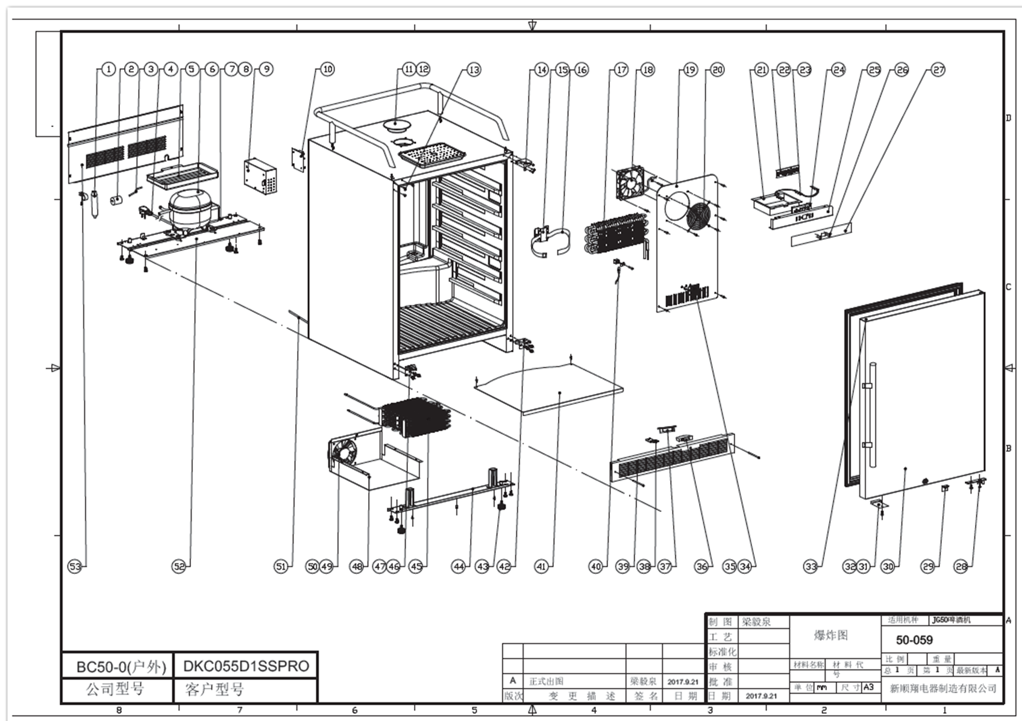
NO | PART NUMBER | PART DESCRIPTION (ENG) | QTY | PARTS SPECIFICATION | Notes
1 | DG11-45 | Drier filter | 1 | copper
2 | DG13-24 | Shockproof Pad | 1 | ф25*30 ,black | Special Order
3 | DG12-112 | Sunction Pipe | 1 | 70*φ6 | Special Order
4 | DG2-30 | Power cord | 1 | American plug,SJTW 3X0.824mm2，black
5 | DG14-1143 | Drain Tray | 1 | 276*140*41.5,black
6 | DG1-104 | DAR055D1BSS Compressor (R600a) | 1 | ETZ50U6, 115V，60Hz，R600a
 | PJ2-007 | starting capacitor | 1 | CBB65/CBB65A-2/CBB65D, 8uF, 250Vac
 | PJ1-021-A | Start Device | 1 | QP2-4.7(G12) or QPS2-A4R7MD3
 | PJ1-043-B | Overload Protector | 1 | BT60-120(A61D2) or DRB21N61A1 or MSC71F39A3
7 | DG17-93 | Compressor Grounding Wire | 1 | L=350mm | Special Order
8 | DG17-25 | Grounding Wire | 1 | L=220, | Special Order
9 | DG22-3524 | Power PCB box | 1 | 150*100*55,steel | Special Order
10 | DG3-310-6 | DKC055D1BSSPRO Power PCB | 1 | 36-50F/2-10C
11 | DG22-1241 | Top Cover | 1 | ф110*21.5
12 | DG18-1067 | Top Cover foam | 1 | ф72.5*16
13 | DG13-268-S | Decorative Cap | 3 | plastic, silver gray color
14 | DG14-1127-SR | Top Right Hinge | 1 | 50*50*54,φ8
15 | DG22-1248 | CO2 Tank Holder | 1 | 70*56*10*1.2, black
16 | FL-501 | CO2 Tank Belt | 1 | 20*600,
17 | DG12-1056 | Evaporator | 1
18 | DG7-51 | Evaporator fan | 1 | RDL1225S, DC12V
19 | DG22-1346 | Air Duct Board | 1 | 538*302,black
20 | DG19-1 | Evaporator Fan Guard | 1 | black | Special Order
21 | DG22-395 | Electrical box | 1 | plastic,white | Special Order
22 | DG3-001 | Display PCB | 1 | 4 button, 1 display window
23 | DG3-12-W | LED Light | 1 | 9 white LED light
24 | DG13-327 | Display Contrl Board Chassis | 1 | plastic ,black | Special Order
25 | DG22-3014-B | Electrical Box Panel | 1 | steel material,white | Special Order
26 | DG13-130-S | Button | 4 | plastic,SS color
27 | DG20-370 | DAR055 Display Panel | 1 | black plastic, silvery white typeface
28 | DG14-169-SR | Door Axis Right | 1 | 90*26*21,ss look
29 | DG22-3523 | Actuator | 1 | SS look
30 | DG23-367 | DKC055D1BSSPRO Door Kit | 1 | foaming door w/ side mount tubular handle
 | DG22-3512 | DKC055D1BSSPRO Door Handle | 1
 | MZ232-501 | DKC055D1BSSPRO Door Gasket | 1
31 | DG22-3067 | Magnet Bracket | 1 | SUS430
32 | DG13-3003 | Magnet | 1 | 8*30*5.5
33 | DG13-3048 | Door Hinge Cover | 4 | φ6.8*4
34 | DG8-30 | Sensor | 1 | L=450mm
35 | DG13-198 | Sensor Guard | 1 | plastic,white | Special Order
36 | DG9-9 | Door Switch | 1 | HC-056K, plastic box,black
38 | DG22-3307 | Instal. Box,door Light switch | 1 | Q235A t=1.0
38 | DG14-1104 | Latch | 1 | ss look
39 | DG22-3466 | Kick Plate | 1 | 605*40*30,ss look
40 | DG8-30 | Defrost Sensor | 1 | L=450mm
41 | DG14-1146 | Floor Plate | 1 | 52.0*454*8,SS look | Special Order
42 | DG14-1126-SR | Bottom Right Hinge | 1 | SUS430
43 | DG13-6.3 | Leveling Leg | 4 | plastic,black,M8 thread
44 | DG14-1147 | Front Bracket | 1 | JG50/JG2D/514，black | Special Order
45 | DG12-91 | Condenser | 1 | Bundy pipe,black | Special Order
46 | DG14-1126-SL | Bottom Left Hinge | 1 | SUS430
47 | DG13-366-B | Door Supporter | 1 | Black | Special Order
48 | DG12-1054 | Condenser Cover | 1 | galvanized board,original color | Special Order
49 | DG7-50 | Condenser Fan | 1 | RDL1225B, DC12V
50 | DG19-3 | Evaporator Fan Guard | 1 | steel material,white | Special Order
51 | DG12-111 | Air-circulating pipe | 1 | copper | Special Order
52 | DG14-1120 | Compressor Bracket | 1 | 592*200 | Special Order
53 | DG14-1153 | Back Cover | 1 | 571*222*0.6,ss look | Special Order
Spare Part | DG14-1127-SL | Top Left Hinge | 1 | SUS430
 | DG14-169-SL | Door Axis Left | 1 | SUS430
 | DG14-1148 | Drip Tray Kit | 1 | 268*209*21，SUS304
 | DG22-3463 | Guard Rail | 1 | φ20 SUS304
 | DG22-1251 | Guard Rail Srew | 4 | φ9*22-M5，SUS304
 | DG13-496-1 | Truckle(with brake) | 2 | Black rubber wheel, steel stents (white zinc plating)
 | DG13-496 | Truckle(without brake) | 2 | Black rubber wheel, steel stents (white zinc plating)
 | DG14-5.1 | Key | 2

