PART CD
Danby Model:DWC153BLSS
Factory Model:JG50H
Effective Date:4/17/2014
Revision: | New
NO | PART NUMBER | UPDATED PART NUMBER | PART DESCRIPTION (ENG) | QTY | Notes
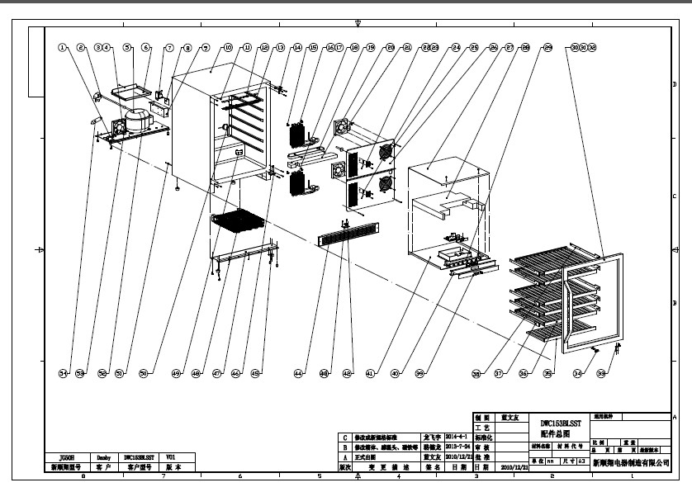
1 | DG12-37 |  | Refrigerrant valve | 1
2 | DG2-11 |  | Power cord | 1
3 | DG7-3.2-BH |  | Condenser fan | 1
 |  | DG17-145-2 | Wire haness | 1
4 | DG19-3 |  | Fan cover | 1
5 | DG1-69 |  | Compressor | 1
 | P6R8MD |  | Start Device | 1
 | 4TM265RFB |  | Overload Protector | 1
6 | DG13-19 | DG13-403 | Water tank | 1
7 | DG6-8 |  | Transformer | 1
8 | DG3-201 |  | PCB board | 1
9 | DG13-272-1 |  | junction box | 1
 |  | DG26-118 | Cabinet | 1 | Not to order
11 | DG13-8 |  | Decorative nail | 6
12 | DG3-13-W |  | LED light | 1
13 | DG13-129 |  | LED Light Cover | 1
14 | DG14-1-SR |  | Top hinge module,Right | 1
15 | DG13-257 |  | plastic nip | 4
16 | DG12-44 |  | Evaporator | 2
17 | DG11-3-Y |  | Heater,yellow | 1
18 | DG11-3-W |  | Heater,white | 1
19 | DG13-10 |  | Water box | 1
20 | DG18-15 |  | Foam | 1
21 | DG7-3.1-BH |  | Evaporator fan,red | 2
 |  | DG17-143-2 | Fan line（Top room) | 1
 |  | DG17-144-1 | Fan line（Lower room) | 1
22 | DG13-198 |  | Senser cover | 2
23 | DG8-7-R | DG8-21-1 | Senser,red | 1
24 | DG8-7-W |  | Senser,white | 1
25 | DG19-1 |  | Fan cover | 2
26 | DG22-3035 |  | Air duct board | 1
27 | DG22-52 |  | Upper panel for middle airway-board | 1
28 | DG18-13 |  | Foam | 1
29 | DG3-17-W |  | LED Light,white | 1
 |  | DG13-32-1 | Display fixing support | 1
30 | DG23-136 |  | Door | 1
31 | DG13-410 |  | Handle | 1
32 | M184-022 |  | Gasket | 1
33 | DG14-116-S |  | Door axis | 1
34 | DG9-16-1 | DG13-3068 | Magnet | 1
 |  | DG22-3178 | DBC162 MAGNET COMPONENT 1 | 1
35 | DG15-21-B |  | Wooden shelf,type G | 1
 | DG15-45 |  |  | 1
36 | DG15-185 |  | Wooden shelves,type new 153 | 5
 | DG15-34 |  |  | 5
37 | DG14-173-L |  | Track (Left) | 5
38 | DG14-173-R |  | Track (Right) | 5
39 | DG20-231 |  | Display panel | 1
 |  | DG13-130-S | Button | 4
40 | DG13-436 |  | Display support | 1
41 | DG22-49 |  | Lower panel for middle airway-board | 1
42 | DG9-16 |  | Reed switch | 1
43 | DG22-3030 |  | Bracket of Reed switch | 1
44 | DG22-496-S |  | Decorative frame | 1
45 | DG13-6.3 |  | Cabinet leg | 4
46 | DG14-172-SR |  | Lower hinge module, Right | 1
47 | DG22-87 |  | Support bracket of front legs | 1
48 | DG12-15 | DG12-3 | Condenser | 1
49 | DG22-493 |  | Shelf pothook | 1
50 | DG12-52 |  | Air-circulating pipe,lower | 1
51 | DG12-62 |  | Air-circulating pipe,upper | 1
52 | DG22-20.2 |  | Compressor bracket | 1
53 | DG14-56 |  | Bracket of fan (pair) | 1
54 | DG11-4 | DG11-4.1 | Drier filter | 1
 |  | DG14-1-SL | Top hinge module_Left | 1
 |  | DG14-172-SL | Lower hinge module,Left | 1

