PART CD
Danby Model: SRVWC050L and SRVWC050R
Factory Model:
Effective Date: 10/19/2017
Revision:

Figure 1, Interior |  |  |  |  | Figure 1, Interior
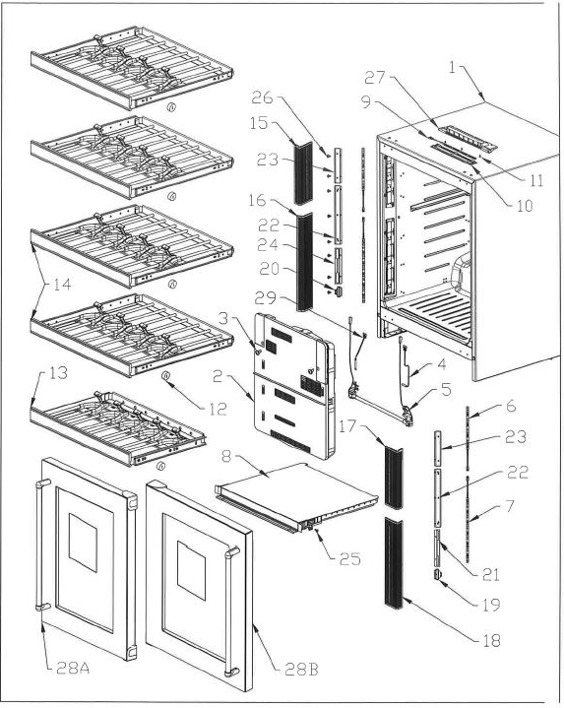
NO | PART NUMBER | PART DESCRIPTION (ENG) | QTY | Notes
1 | (reference only) | Foamed Cabinet Assembly |  | cannot order
2 | ARBFCA800032 | Cover EVA Assembly
3 | ARAJTM305030 | Truss 4 TS 12 (Pointed-Black) |  | Special Order
4 | ARAGSD100140 | Sensor Defrost
5 | 833S530510000 | Holder&Heater Defrost Serv Kit
6 | ARBHLD200010 | LED Assy 200
7 | ARBHLD100020 | LED Assy 300
8 | ARBCSA300012 | Separator Assy |  | Special Order
9 | ARBHLD100030 | LED Assy
10 | ARAHCFB00011 | Cover LED
11 | ARAJTM305030 | Truss 4 TS 12 (Pointed-Black) |  | Special Order
12 | ARAJSF500010 | Spacer |  | Special Order
13 | ARBHWA500031 | Wine Rack B Assy
14 | ARBHWA400051 | Wine Rack Assy
15 | ARAHCFG00011 | Cover LED TL
16 | ARAHCFC00031 | Cover LED L
17 | ARAHCFH00011 | Cover LED TR
18 | ARAHCFD00031 | Cover LED R
19 | ARACHCR00010 | Holder Rail BA BR |  | Special Order
20 | ARACHCQ00010 | Holder Rail BA BL |  | Special Order
21 | ARACHCP00010 | Holder Rail BA R |  | Special Order
22 | ARACHCM00010 | Holder Rail FB |  | Special Order
23 | ARACHCL00010 | Holder Rail FT |  | Special Order
24 | ARACHCN00010 | Holder Rail BA L |  | Special Order
25 | ARAJTM305030 | Truss 4 TS 12 (Pointed-Black) |  | Special Order
26 | ARAJTM305030 | Truss 4 TS 12 (Pointed-Black) |  | Special Order
27 | ARBCTB700010 | Trim T Assy |  | Special Order
28A | ARBDDMQ00020 | Door As (COMPT) R
28B | ARBDDMS00020 | Door As (COMPT) L
29 | ARBGTA300062 | Temp Fuse Assy PR5181WR

Figure 2, Door |  |  |  |  | Figure 2, Door
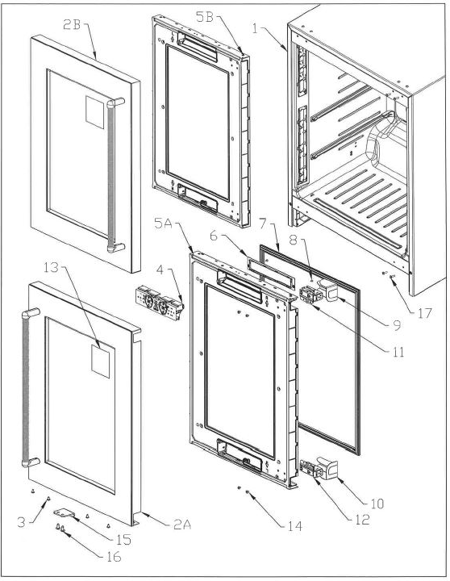
NO | PART NUMBER | PART DESCRIPTION (ENG) | QTY | Notes
1 | (reference only) | Foamed Cabinet Assembly |  | cannot order
2A | ARBDSB600010 | Stainless Wrap R Assy |  | Special Order
2B | ARBDSB700010 | Stainless Wrap L Assy |  | Special Order
3 | SM2PN50060UL- | Screw M5X6 Phillips Pan Head |  | Special Order
4 | ARBGHE100121 | Holder PCB Assy
5A | ARBDDMR00011 | Door Assy (Foam) R |  | Special Order
5B | ARBDDMT00011 | Door Assy (Foam) L |  | Special Order
6 | ARADCCB00040 | Cover PCB Control
7 | ARADGCD00030 | Gasket Door
8 | ARAJFE500010 | Flate H.4 TS8 |  | Special Order
9 | ARAECA105291 | CoverHingeT (R Hinge All Model
 | ARAECA500021 | CoverHingeB (L Hinge All Model
10 | ARAECA500021 | CoverHingeB (R Hinge All Model
 | ARAECA105291 | CoverHingeT (L Hinge All Model
11 | 8332313121600A | LatchHingeK08 (Right hinge)
 | 8332313121700A | LatchHingeK08 (Left hinge)
12 | 8332313121700A | LatchHingeK08 (Right hinge)
 | 8332313121600A | LatchHingeK08 (Left hinge)
13 | 8336460621600 | Energy Guide Label Canada |  | Special Order
14 | SM2PN50060UL- | Screw M5X6 Phillips Pan Head |  | Special Order
15 | ARAHPF100050 | Push Plate SW
16 | ARAJTM305030 | Truss 4 TS 12 (Pointed-Black) |  | Special Order
17 | ARAJTM305020 | Truss 4 TS 12 (Pointed-White) |  | Special Order

Figure 3, Bottom |  |  |  |  | Figure 3. Bottom
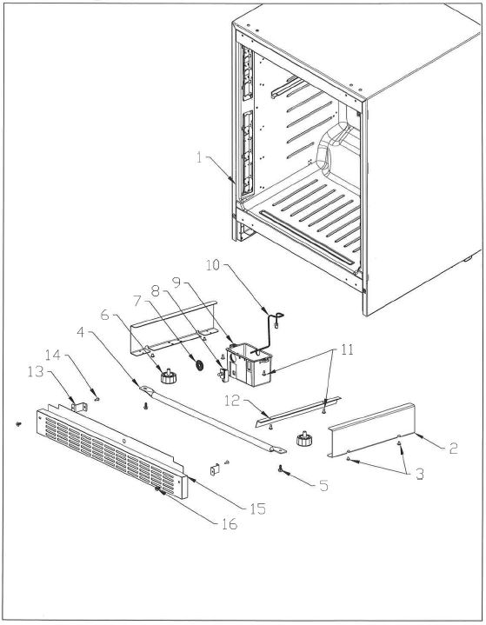
NO | PART NUMBER | PART DESCRIPTION (ENG) | QTY | Notes
1 | (reference only) | Foamed Cabinet Assembly |  | cannot order
2 | ARACPBH00020 | Piece Reinforce Side |  | Special Order
3 | ARAJTMB05030 | Truss 4 TS 10 (Pointed-White) |  | Special Order
4 | ARACRBK00011 | Reinforce bottom Center |  | Special Order
5 | ARAJTE105010 | Hexagon H.5 TS 12 (W/F) White |  | Special Order
6 | 8332111013505 | Leg DR6180K*
7 | ARBGHK000100 | Harness Speaker Assy |  | Special Order
8 | ARAGDB200010 | Door SW (Black) (D3D-123) |  | Special Order
9 | ARACBE100012 | Box SW |  | Special Order
10 | ARBGHAH00530 | Harness As Wire Control C |  | Special Order
11 | ARAJTM305020 | Truss 4 TS 12 (Pointed-White) |  | Special Order
12 | ARACSCD00010 | Seal Sash Outer Condenser |  | Special Order
13 | ARACBK100011 | Kick Plate Bracket
14 | ARAJTM305030 | Truss 4 TS 12 (Pointed-Black) |  | Special Order
15 | ARAHKB100021 | Kick Plate
16 | SM2CN50080SZ- | M5x8Socket HeadCapScrewLowHead |  | Special Order

Figure 4, Rear |  |  |  |  | Figure 4, Rear
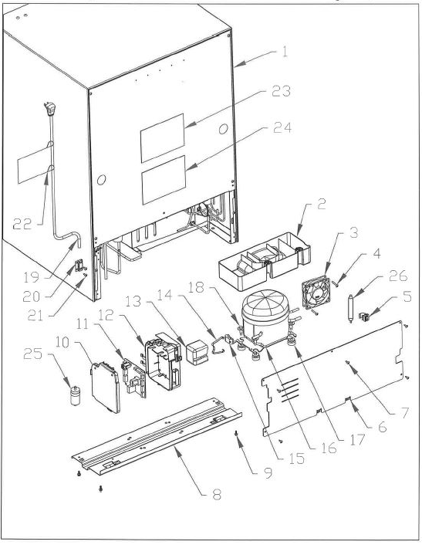
NO | PART NUMBER | PART DESCRIPTION (ENG) | QTY | Notes
1 | (reference only) | Foamed Cabinet Assembly |  | cannot order
2 | ARAFPB105110 | Pan Water EVA
3 | ARAGBA600020 | Fan Motor
4 | ARAJTMM00020 | Truss 4 TS30(Flat Point-White) |  | Special Order
5 | ARAFCE205020 | Dryer Holder |  | Special Order
6 | ARBFCA200261 | Cover Panel COMP As
7 | ARAJTMB05030 | Truss 4 TS 10 (Pointed-White) |  | Special Order
8 | ARBFCC100080 | Crossrail Rear Assy |  | Special Order
9 | ARAJTE105010 | Hexagon H.5 TS 12 (W/F) White |  | Special Order
10 | ARAGCB100051 | Cover Box PCB |  | Special Order
11 | ARBPC2A00435 | Pas - Control PCB PR5181SRWC
12 | ARAGBA100051 | Box PCB |  | Special Order
13 | 8332533250800B | Relay Cover |  | Special Order
14 | 8012892670200 | Clip, Relay Cover |  | Special Order
15 | 8334523210600 | Overload Relay 5TM181NHB
16 | 0BC8035800200E | Compressor C-QE43L2A PANASONIC
17 | 8312430683101C | #10195 Gromment, COMP.MTNG |  | Special Order
18 | SB2HY60240SZ- | Compressor Bolt |  | Special Order
19 | ARBGPB100011 | Power Cord Assy
20 | 8312532784100 | Cord Clamp |  | Special Order
21 | ARAJTM305020 | Truss 4 TS 12 (Pointed - White) |  | Special Order
22 | 8336460843200B | Power Cord Label |  | Special Order
23 | ARAHLCF05520 | Label Wiring PR5181SRWC |  | Special Order
24 | 8336460843100 | Warning Label |  | Special Order
25 | 8334238013001 | Running Capacitor 6uF
26 | 8330420250300 | Single Dryer 8G HFC-134A

Figure 5, Cover EVA Assy. |  |  |  |  | Figure 5, Cover EVA Assy.
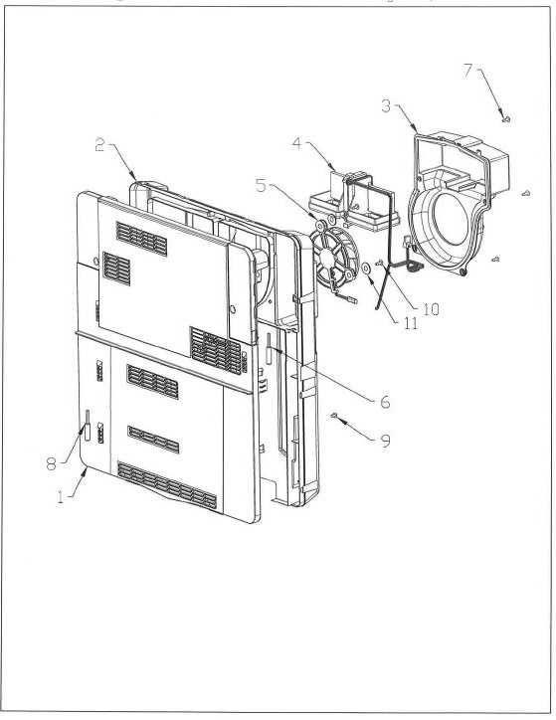
NO | PART NUMBER | PART DESCRIPTION (ENG) | QTY | Notes
1 | 833S230900300 | Cover EVA F Service Kit |  | Special Order
2 | 833S230900200 | Cover EVA BA Service Kit |  | Special Order
3 | 833S237200100 | Casting Fan Service Kit
4 | ARBGDA200100 | Damper Electric Twin As |  | Special Order
5 | ARBGBA600010 | Blower Fan Motor As
6 | ARAGSB100160 | Sensor PCC
7 | ARAJTM305030 | Truss 4 TS 12 (Pointed-Black) |  | Special Order
8 | ARAGSB100240 | Sensor PCC
9 | ARAJTMH05010 | Truss 4 TS 8 |  | Special Order
10 | ARAJTMH05020 | Truss 4 TS 8 (Pointed-Black) |  | Special Order
11 | ARAJWA705010 | Washer |  | Special Order

